Q3
Bond: Green
Face value | 1000
Maturity | 6 | semi-annual periods |  |  |  |  | Bond | Time to maturity | Coupon rate p.a. | Payments
Coupon | 4% |  |  |  |  |  | Green bond (G) | 3 years | 8% | Semi-Annual | 9%
ytm | 4.5%
t | CF | PV factor | PV of CF | PV as % of Price | t*Pv as % of price | (t^2+t)*PV as a % of Price
1 | 40 | 0.95693779904 | 38.277511962 | 0.039290796554 | 0.039290796554 | 0.078581593107
2 | 40 | 0.91572995124 | 36.629198049 | 0.037598848377 | 0.075197696753 | 0.22559309026
3 | 40 | 0.87629660405 | 35.051864162 | 0.035979759212 | 0.10793927764 | 0.43175711054
4 | 40 | 0.83856134359 | 33.542453744 | 0.03443039159 | 0.13772156636 | 0.68860783181
5 | 40 | 0.8024510465 | 32.09804186 | 0.032947743149 | 0.16473871574 | 0.98843229446
6 | 1040 | 0.76789573828 | 798.61156781 | 0.81975246112 | 4.9185147667 | 34.429603367

 |  |  | 974.21063759 |  | 5.4434028198 | 36.842575287
 | duration | 2.7217014099 |  |  | 5.2089979136
 | convexity | 8.4344624178

 | modified duration | 2.6044989568 | annual periods |  | 1 MARK
 | convexity | 8.4344624178 | annual periods |  | 1 MARK

 | % change in price | for 350 basis points increase

 | 100 basis points change
 | % Change in Price | -9.116%

 | with convexity adjustment

 | % change in price | -8.599% |  |  | 2 MARKS

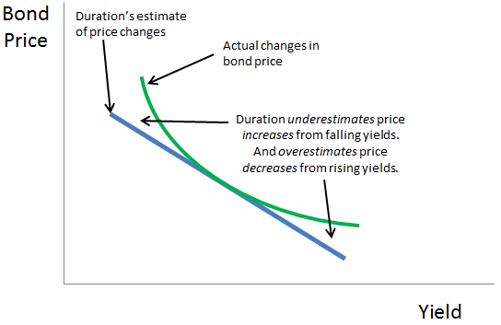
2.3

 | 2 marks for graph

2.4 | Duration of 3 year zero coupon bond | 2 | 20%
 | Duration of perpetual bond | 12.111111111 | 0.3

 | Duration of Green bond | 2.7217014099

 | These are Macaulay duration
 | Duration of liability | 7 | years
 | Matching duration
 | w in perpetual bond | w
 | w in Green bond | 0.8-w

 | w*12.11+(0.8-w)*(2.7217) + 20%*2 = 7 |  |  |  |  | Matching duration of asset with that of liability (Immunization)

 | 4.42264
 | 0.47107996123

 | 47.11% | w | Perpetual bond |  | 2 MARKS
 | 32.89% | 0.8-w | Green bond |  | 2 MARKS

 | 20.00% | given | 2-year zero coupon bond

Q5
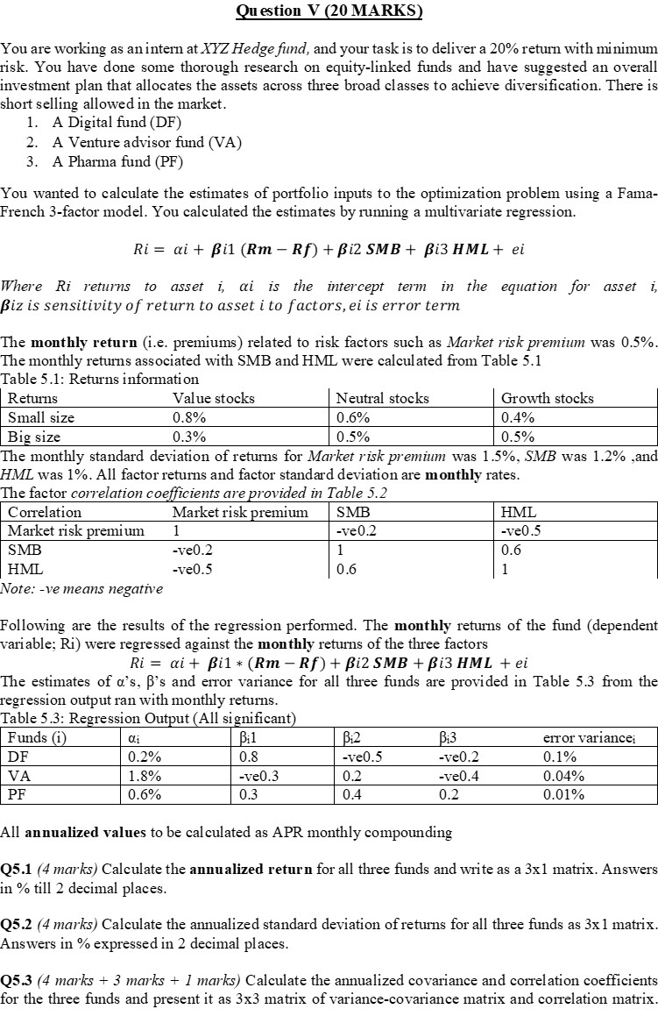

 | ALPHA | B |  |  |  | MU |  | Rm-Rf | SMB | HML |  | sigh
Market risk premium | 2.40% | 0.8 | -0.5 | 0.2 |  | 6.00% | Rm-Rf | 0.27% | -0.04% | -0.09% |  | 1.20% | 0.00% | 0.00%
SMB | 21.60% | 0.3 | 0.2 | 0.4 |  | 2.00% | SMB | -0.04% | 0.17% | 0.09% |  | 0.00% | 0.48% | 0.00%
HML | 7.20% | 0.3 | 0.4 | 0.2 |  | 1.20% | HML | -0.09% | 0.09% | 0.12% |  | 0.00% | 0.00% | 0.12%

 |  |  |  |  | 4 marks | Annualized return |  | VAR-COV | 4 marks |  |  |  |  |  |  | Returns | Value stocks | Neutral stocks | Growth stocks
 |  |  |  | EXPECTED RETURN |  | 6.44% |  | 1.41% | 0.01% | 0.01% |  |  |  |  |  | Small size | 0.80% | 0.60% | 0.40%
 |  |  |  |  |  | 24.28% |  | 0.01% | 0.52% | 0.04% |  |  |  |  |  | Big size | 0.30% | 0.50% | 0.50%
 |  |  |  |  |  | 10.04% |  | 0.01% | 0.04% | 0.17%
 |  |  |  |  |  |  |  |  |  |  |  |  |  |  | SMB | 0.17%
 |  |  |  |  |  | 4 marks |  |  | 3 marks |  |  |  |  |  | HML | 0.10%
 |  |  |  |  |  | Annualized STANDARD DEVIATION |  |  | CORRELATION
 |  |  |  |  |  | 11.87% |  |  | 1.00 | 0.01 | 0.01
 |  |  |  |  |  | 7.19% |  |  | 0.01 | 1.00 | 0.14
 |  |  |  |  |  | 4.12% |  |  | 0.01 | 0.14 | 1.00

 |  |  |  |  |  |  |  |  | 1 mark
 |  |  |  |  |  |  |  |  | As correlations are LOW, there can be diversification achieved.
 |  |  |  |  |  |  |  |  | You get marks for the comment only if you have the correlation values

 |  |  |  |  |  | 4.4 |  |  | 4 MARKS

 |  |  |  |  |  |  | Min WT∑W

 |  |  |  |  |  |  | s.t.
 |  |  |  |  |  |  | WTI = 1
 |  |  |  |  |  |  | WTR>=20%

